Bid Item 1
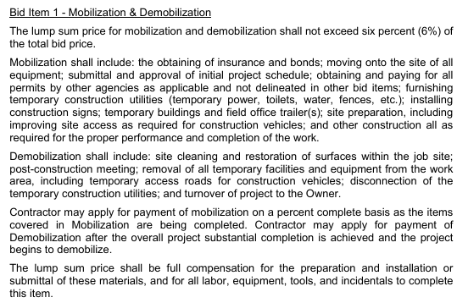
 |  |  |  |  |  |  |  | Bid Item Total | $41,115.40 | OUR COST
 | Mob/Demob
 | ITEM | BID PACKET PAGE | QTY | UNIT | UNIT COST 1 | VENDOR 1 | UNIT COST 1 | VENDOR 2 | Total | COMMENT/NOTES
 | Mobilization/Demobilization |  |  |  |  |  |  |  | $6,000.00
1 | Mobilization |  | 3 |  | $1,000.00 |  |  |  | $3,000.00
2 | Demobilization |  | 3 |  | $1,000.00 |  |  |  | $3,000.00
3 |  |  |  |  |  |  |  |  | $0.00
Add More |  |  |  |  |  |  |  |  | $0.00
 | Labor |  |  |  |  |  |  |  | $6,398.16
1 | Labor Lead |  | 24 | HR | $67.36 |  |  |  | $1,616.64 | Input Prevailing Wage rates on "Prevailing Wage" tab.
2 | Laborer |  | 72 | HR | $66.41 |  |  |  | $4,781.52 | Assumes # of helpers to crew lead as outlined on Bid Schedule tab
3 | Operator |  |  | HR | $94.64 |  |  |  | $0.00
4 | Electrician |  |  | HR | $89.30 |  |  |  | $0.00
5 | Pipe Fitter |  |  | HR | $68.79 |  |  |  | $0.00
6 | Truck Driver |  |  | HR | $76.87 |  |  |  | $0.00
7 | Landscaper |  |  | HR | $- |  |  |  | $0.00
8 | Etc |  |  | HR | $- |  |  |  | $0.00
Add More |  |  |  |  |  |  |  |  | $0.00
 | Materials (without tax) |  |  |  |  |  |  |  | $0.00
1 |  |  |  |  |  |  |  |  | $0.00
2 |  |  |  |  |  |  |  |  | $0.00
3 |  |  |  |  |  |  |  |  | $0.00
4 |  |  |  |  |  |  |  |  | $0.00
5 |  |  |  |  |  |  |  |  | $0.00
6 |  |  |  |  |  |  |  |  | $0.00
7 |  |  |  |  |  |  |  |  | $0.00
8 |  |  |  |  |  |  |  |  | $0.00
9 |  |  |  |  |  |  |  |  | $0.00
10 |  |  |  |  |  |  |  |  | $0.00
Add More |  |  |  |  |  |  |  |  | $0.00
 | Equipment |  |  |  |  |  |  |  | $0.00
1 |  |  |  |  |  |  |  |  | $0.00
2 |  |  |  |  |  |  |  |  | $0.00
3 |  |  |  |  |  |  |  |  | $0.00
4 |  |  |  |  |  |  |  |  | $0.00
Add More |  |  |  |  |  |  |  |  | $0.00
 | Subcontractors |  |  |  |  |  |  |  | $6,000.00
1 | Construction staking |  | 1 | LS | $6,000.00 | Morrow Surveying |  |  | $6,000.00
2 |  |  |  |  |  |  |  |  | $0.00
3 |  |  |  |  |  |  |  |  | $0.00
4 |  |  |  |  |  |  |  |  | $0.00
Add More |  |  |  |  |  |  |  |  | $0.00
 | Rental (without tax) |  |  |  |  |  |  |  | $0.00
1 |  |  |  |  |  |  |  |  | $0.00 | For equipment rates see this spreadsheet:
2 |  |  |  |  |  |  |  |  | $0.00 | https://laurel-ag.box.com/s/fscobx1vxxwhne2hxnathrnucmlxae6m
3 |  |  |  |  |  |  |  |  | $0.00
4 |  |  |  |  |  |  |  |  | $0.00
Add More |  |  |  |  |  |  |  |  | $0.00
 | Fuel |  |  |  |  |  |  |  | $550.00
1 | Diesel |  | 100 | gal | $5.50 |  |  |  | $550.00
2 | Gas |  |  | gal |  |  |  |  | $0.00
3 |  |  |  |  |  |  |  |  | $0.00
4 |  |  |  |  |  |  |  |  | $0.00
Add More |  |  |  |  |  |  |  |  | $0.00
 | Other (may sometimes include Bonds and Insurance) |  |  |  |  |  |  |  | $22,167.24
1 | Cleanup trash haul |  | 1 | LS | $2,000.00 |  |  |  | $2,000.00
2 | Bonds (75%) |  | 1 | LS | $16,500.47 |  |  |  | $16,500.47
3 | Insurance |  | 1 | LS | $3,666.77 |  |  |  | $3,666.77
4 |  |  |  |  |  |  |  |  | $0.00
Add More |  |  |  |  |  |  |  |  | $0.00

5
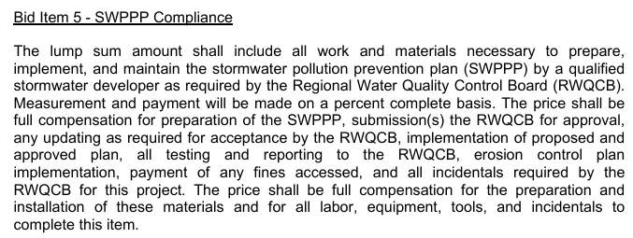
 |  |  |  |  |  |  |  | Bid Item Total | $23,788.72 | OUR COST
 | SWPPP Compliance
 | ITEM | BID PACKET PAGE | QTY | UNIT | UNIT COST 1 | VENDOR 1 | UNIT COST 2 | VENDOR 2 | Total | COMMENT/NOTES
 | Labor |  |  |  |  |  |  |  | $9,163.72
1 | Labor Lead |  | 20 | HR | $67.36 |  |  |  | $1,347.20 | Input Prevailing Wage rates on "Prevailing Wage" tab.
2 | Laborer |  | 60 | HR | $66.41 |  |  |  | $3,984.60 | Assumes # of helpers to crew lead as outlined on Bid Schedule tab
3 | Operator |  | 8 | HR | $94.64 |  |  |  | $757.12
4 | Electrician |  |  | HR | $89.30 |  |  |  | $0.00
5 | Pipe Fitter |  |  | HR | $68.79 |  |  |  | $0.00
6 | Truck Driver |  | 40 | HR | $76.87 |  |  |  | $3,074.80
7 | Landscaper |  |  | HR | $- |  |  |  | $0.00
8 | Etc |  |  | HR | $- |  |  |  | $0.00
Add More |  |  |  | HR |  |  |  |  | $0.00
 | Materials (without tax) |  |  |  |  |  |  |  | $3,250.00
1 | Waddles |  | 1000 | LF | $2.00 |  |  |  | $2,000.00
2 | Silt fence |  | 1000 | LF | $1.25 |  |  |  | $1,250.00
3 |  |  |  |  |  |  |  |  | $0.00
4 |  |  |  |  |  |  |  |  | $0.00
5 |  |  |  |  |  |  |  |  | $0.00
6 |  |  |  |  |  |  |  |  | $0.00
7 |  |  |  |  |  |  |  |  | $0.00
8 |  |  |  |  |  |  |  |  | $0.00
9 |  |  |  |  |  |  |  |  | $0.00
10 |  |  |  |  |  |  |  |  | $0.00
Add More |  |  |  |  |  |  |  |  | $0.00
 | Equipment |  |  |  |  |  |  |  | $0.00
1 |  |  |  |  |  |  |  |  | $0.00
2 |  |  |  |  |  |  |  |  | $0.00
3 |  |  |  |  |  |  |  |  | $0.00
4 |  |  |  |  |  |  |  |  | $0.00
Add More |  |  |  |  |  |  |  |  | $0.00
 | Subcontractors |  |  |  |  |  |  |  | $5,000.00
1 | SWPPP or equal |  | 1 | LS | $5,000.00 | Verux |  |  | $5,000.00 | Check with Coast Eng. - Seems less than 1 acre
2 |  |  |  |  |  |  |  |  | $0.00
3 |  |  |  |  |  |  |  |  | $0.00
4 |  |  |  |  |  |  |  |  | $0.00
Add More |  |  |  |  |  |  |  |  | $0.00
 | Rental (without tax) |  |  |  |  |  |  |  | $5,000.00
1 | Rattle plate |  | 2 | MO | $500.00 |  |  |  | $1,000.00 | For equipment rates see this spreadsheet:
2 | Water truck |  | 1 | MO | $4,000.00 |  |  |  | $4,000.00 | https://laurel-ag.box.com/s/fscobx1vxxwhne2hxnathrnucmlxae6m
3 |  |  |  |  |  |  |  |  | $0.00
4 |  |  |  |  |  |  |  |  | $0.00
Add More |  |  |  |  |  |  |  |  | $0.00
 | Fuel |  |  |  |  |  |  |  | $1,375.00
1 | Diesel |  | 250 | gal | $5.50 |  |  |  | $1,375.00
2 | Gas |  |  | gal |  |  |  |  | $0.00
3 |  |  |  |  |  |  |  |  | $0.00
4 |  |  |  |  |  |  |  |  | $0.00
Add More |  |  |  |  |  |  |  |  | $0.00
 | Other |  |  |  |  |  |  |  | $0.00
1 |  |  |  |  |  |  |  |  | $0.00
2 |  |  |  |  |  |  |  |  | $0.00 | Month
3 |  |  |  |  |  |  |  |  | $0.00
4 |  |  |  |  |  |  |  |  | $0.00
Add More |  |  |  |  |  |  |  |  | $0.00

9
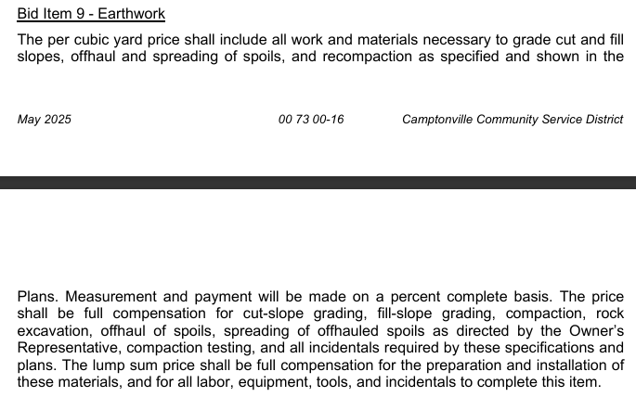
 |  |  |  |  |  |  |  | Bid Item Total | $42,919.52 | OUR COST
 | Earthwork
 | ITEM | BID PACKET PAGE | QTY | UNIT | UNIT COST 1 | VENDOR 1 | UNIT COST 2 | VENDOR 2 | Total | COMMENT/NOTES
 | Labor |  |  |  |  |  |  |  | $8,669.52
1 | Labor Lead |  | 24 | HR | $67.36 |  |  |  | $1,616.64 | Input Prevailing Wage rates on "Prevailing Wage" tab.
2 | Laborer |  | 72 | HR | $66.41 |  |  |  | $4,781.52 | Assumes # of helpers to crew lead as outlined on Bid Schedule tab
3 | Operator |  | 24 | HR | $94.64 |  |  |  | $2,271.36
4 | Electrician |  |  | HR | $89.30 |  |  |  | $0.00
5 | Pipe Fitter |  |  | HR | $68.79 |  |  |  | $0.00
6 | Truck Driver |  |  | HR | $76.87 |  |  |  | $0.00
7 | Landscaper |  |  | HR | $- |  |  |  | $0.00
8 | Etc |  |  | HR | $- |  |  |  | $0.00
Add More |  |  |  | HR |  |  |  |  | $0.00
 | Materials (without tax) |  |  |  |  |  |  |  | $0.00
1 |  |  |  |  |  |  |  |  | $0.00
2 |  |  |  |  |  |  |  |  | $0.00
3 |  |  |  |  |  |  |  |  | $0.00
4 |  |  |  |  |  |  |  |  | $0.00
5 |  |  |  |  |  |  |  |  | $0.00
6 |  |  |  |  |  |  |  |  | $0.00
7 |  |  |  |  |  |  |  |  | $0.00
8 |  |  |  |  |  |  |  |  | $0.00
9 |  |  |  |  |  |  |  |  | $0.00
10 |  |  |  |  |  |  |  |  | $0.00
Add More |  |  |  |  |  |  |  |  | $0.00
 | Equipment |  |  |  |  |  |  |  | $0.00
1 |  |  |  |  |  |  |  |  | $0.00
2 |  |  |  |  |  |  |  |  | $0.00
3 |  |  |  |  |  |  |  |  | $0.00
4 |  |  |  |  |  |  |  |  | $0.00
Add More |  |  |  |  |  |  |  |  | $0.00
 | Subcontractors |  |  |  |  |  |  |  | $34,250.00
1 | BT concrete (20%) of line item |  | 1 | LS | $34,250.00 | BT concrete |  |  | $34,250.00
2 |  |  |  |  |  |  |  |  | $0.00
3 |  |  |  |  |  |  |  |  | $0.00
4 |  |  |  |  |  |  |  |  | $0.00
Add More |  |  |  |  |  |  |  |  | $0.00
 | Rental (without tax) |  |  |  |  |  |  |  | $0.00
1 |  |  |  |  |  |  |  |  | $0.00 | For equipment rates see this spreadsheet:
2 |  |  |  |  |  |  |  |  | $0.00 | https://laurel-ag.box.com/s/fscobx1vxxwhne2hxnathrnucmlxae6m
3 |  |  |  |  |  |  |  |  | $0.00
4 |  |  |  |  |  |  |  |  | $0.00
Add More |  |  |  |  |  |  |  |  | $0.00
 | Fuel |  |  |  |  |  |  |  | $0.00
1 | Diesel |  |  | gal | $5.50 |  |  |  | $0.00
2 | Gas |  |  | gal |  |  |  |  | $0.00
3 |  |  |  |  |  |  |  |  | $0.00
4 |  |  |  |  |  |  |  |  | $0.00
Add More |  |  |  |  |  |  |  |  | $0.00
 | Other |  |  |  |  |  |  |  | $0.00
1 |  |  |  |  |  |  |  |  | $0.00
2 |  |  |  |  |  |  |  |  | $0.00
3 |  |  |  |  |  |  |  |  | $0.00
4 |  |  |  |  |  |  |  |  | $0.00
Add More |  |  |  |  |  |  |  |  | $0.00

15
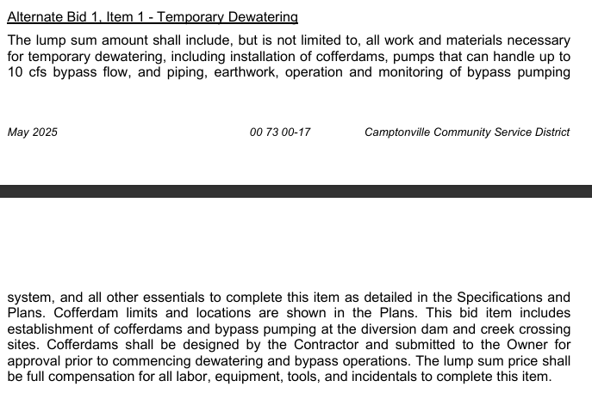
 |  |  |  |  |  |  |  | Bid Item Total | $69,807.64 | OUR COST
 | Temporary Dewatering
 | ITEM | BID PACKET PAGE | QTY | UNIT | UNIT COST 1 | VENDOR 1 | UNIT COST 2 | VENDOR 2 | Total | COMMENT/NOTES
 | Labor |  |  |  |  |  |  |  | $307.48
1 | Labor Lead |  |  | HR | $67.36 |  |  |  | $0.00 | Input Prevailing Wage rates on "Prevailing Wage" tab.
2 | Laborer |  |  | HR | $66.41 |  |  |  | $0.00 | Assumes # of helpers to crew lead as outlined on Bid Schedule tab
3 | Operator |  |  | HR | $94.64 |  |  |  | $0.00
4 | Electrician |  |  | HR | $89.30 |  |  |  | $0.00
5 | Pipe Fitter |  |  | HR | $68.79 |  |  |  | $0.00
6 | Truck Driver |  | 4 | HR | $76.87 |  |  |  | $307.48
7 | Landscaper |  |  | HR | $- |  |  |  | $0.00
8 | Etc |  |  | HR | $- |  |  |  | $0.00
Add More |  |  |  | HR |  |  |  |  | $0.00
 | Materials (without tax) |  |  |  |  |  |  |  | $14,000.00
1 | 24" or 30" dia. ADS N-12 pipe |  | 160 | LF | $50.00 |  |  |  | $8,000.00
2 | 45 deg elbow ADS N-12 |  | 2 | EA | $2,000.00 |  |  |  | $4,000.00
3 | Sand bags |  | 1 | LS | $2,000.00 |  |  |  | $2,000.00
4 |  |  |  |  |  |  |  |  | $0.00
5 |  |  |  |  |  |  |  |  | $0.00
6 |  |  |  |  |  |  |  |  | $0.00
7 |  |  |  |  |  |  |  |  | $0.00
8 |  |  |  |  |  |  |  |  | $0.00
9 |  |  |  |  |  |  |  |  | $0.00
10 |  |  |  |  |  |  |  |  | $0.00
Add More |  |  |  |  |  |  |  |  | $0.00
 | Equipment |  |  |  |  |  |  |  | $0.00
1 |  |  |  |  |  |  |  |  | $0.00
2 |  |  |  |  |  |  |  |  | $0.00
3 |  |  |  |  |  |  |  |  | $0.00
4 |  |  |  |  |  |  |  |  | $0.00
Add More |  |  |  |  |  |  |  |  | $0.00
 | Subcontractors |  |  |  |  |  |  |  | $40,000.00
1 | Install and maintain dewatering system |  | 1 | LS | $40,000.00 | BT concrete |  |  | $40,000.00
2 |  |  |  |  |  |  |  |  | $0.00
3 |  |  |  |  |  |  |  |  | $0.00
4 |  |  |  |  |  |  |  |  | $0.00
Add More |  |  |  |  |  |  |  |  | $0.00
 | Rental (without tax) |  |  |  |  |  |  |  | $0.00
1 |  |  |  |  |  |  |  |  | $0.00 | For equipment rates see this spreadsheet:
2 |  |  |  |  |  |  |  |  | $0.00 | https://laurel-ag.box.com/s/fscobx1vxxwhne2hxnathrnucmlxae6m
3 |  |  |  |  |  |  |  |  | $0.00
4 |  |  |  |  |  |  |  |  | $0.00
Add More |  |  |  |  |  |  |  |  | $0.00
 | Fuel |  |  |  |  |  |  |  | $0.00
1 | Diesel |  |  | gal |  |  |  |  | $0.00
2 | Gas |  |  | gal |  |  |  |  | $0.00
3 |  |  |  |  |  |  |  |  | $0.00
4 |  |  |  |  |  |  |  |  | $0.00
Add More |  |  |  |  |  |  |  |  | $0.00
 | Other |  |  |  |  |  |  |  | $15,500.15
1 | Bonds (75%) |  | 1 | LS | $5,500.15 |  |  |  | $5,500.15
2 | Contingency |  | 1 | LS | $10,000.00 |  |  |  | $10,000.00
3 |  |  |  |  |  |  |  |  | $0.00
4 |  |  |  |  |  |  |  |  | $0.00
Add More |  |  |  |  |  |  |  |  | $0.00

20
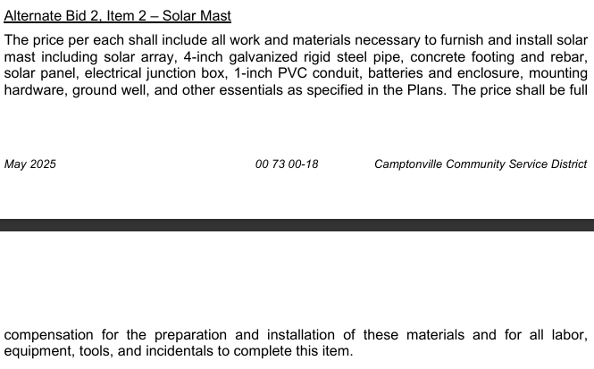
 |  |  |  |  |  |  |  | Bid Item Total | $21,345.48 | OUR COST
 | Solar Mast
 | ITEM | BID PACKET PAGE | QTY | UNIT | UNIT COST 1 | VENDOR 1 | UNIT COST 2 | VENDOR 2 | Total | COMMENT/NOTES
 | Labor |  |  |  |  |  |  |  | $5,265.48
1 | Labor Lead |  | 8 | HR | $67.36 |  |  |  | $538.88 | Input Prevailing Wage rates on "Prevailing Wage" tab.
2 | Laborer |  | 24 | HR | $66.41 |  |  |  | $1,593.84 | Assumes # of helpers to crew lead as outlined on Bid Schedule tab
3 | Operator |  |  | HR | $94.64 |  |  |  | $0.00
4 | Electrician |  | 32 | HR | $89.30 |  |  |  | $2,857.60
5 | Pipe Fitter |  | 4 | HR | $68.79 |  |  |  | $275.16
6 | Truck Driver |  |  | HR | $76.87 |  |  |  | $0.00
7 | Landscaper |  |  | HR | $- |  |  |  | $0.00
8 | Etc |  |  | HR | $- |  |  |  | $0.00
Add More |  |  |  | HR |  |  |  |  | $0.00
 | Materials (without tax) |  |  |  |  |  |  |  | $10,550.00
1 | #4 rebar |  | 1 | LS | $200.00 |  |  |  | $200.00
2 | Concrete |  | 1 | LS | $200.00 |  |  |  | $200.00
3 | PVC coated RGS conduit |  | 20 | LF | $50.00 |  |  |  | $1,000.00 | 1"???
4 | 4" dia. GRS conduit (20') |  | 1 | LS | $500.00 |  |  |  | $500.00
5 | Battery enclosure |  | 1 | LS | $1,500.00 |  |  |  | $1,500.00
6 | Solar brackets |  | 1 | LS | $500.00 |  |  |  | $500.00
7 | Solar arrays |  | 1 | LS | $2,000.00 |  |  |  | $2,000.00
9 | Groundwell |  | 1 | LS | $600.00 |  |  |  | $600.00
10 | Sand for backfill |  | 5 | CY | $120.00 |  |  |  | $600.00
11 | Conduit and pull tape |  | 1 | LS | $200.00 |  |  |  | $200.00
12 | Wire/cable |  | 1 | LS | $500.00 |  |  |  | $500.00
13 | Battery charge controller |  | 1 | LS | $750.00 |  |  |  | $750.00
Add More | Batteries |  | 1 | LS | $2,000.00 |  |  |  | $2,000.00
 | Equipment |  |  |  |  |  |  |  | $800.00
1 | Hand auger |  | 1 | WEEK | $300.00 |  |  |  | $300.00
2 | Mini ex for trencha and backfill |  | 0.25 | MO | $2,000.00 |  |  |  | $500.00
3 |  |  |  |  |  |  |  |  | $0.00
4 |  |  |  |  |  |  |  |  | $0.00
Add More |  |  |  |  |  |  |  |  | $0.00
 | Subcontractors |  |  |  |  |  |  |  | $0.00
1 |  |  |  |  |  |  |  |  | $0.00
2 |  |  |  |  |  |  |  |  | $0.00
3 |  |  |  |  |  |  |  |  | $0.00
4 |  |  |  |  |  |  |  |  | $0.00
Add More |  |  |  |  |  |  |  |  | $0.00
 | Rental (without tax) |  |  |  |  |  |  |  | $0.00
1 |  |  |  |  |  |  |  |  | $0.00 | For equipment rates see this spreadsheet:
2 |  |  |  |  |  |  |  |  | $0.00 | https://laurel-ag.box.com/s/fscobx1vxxwhne2hxnathrnucmlxae6m
3 |  |  |  |  |  |  |  |  | $0.00
4 |  |  |  |  |  |  |  |  | $0.00
Add More |  |  |  |  |  |  |  |  | $0.00
 | Fuel |  |  |  |  |  |  |  | $530.00
1 | Diesel |  | 60 | gal | $5.50 |  |  |  | $330.00
2 | Gas |  | 40 | gal | $5.00 |  |  |  | $200.00
3 |  |  |  |  |  |  |  |  | $0.00
4 |  |  |  |  |  |  |  |  | $0.00
Add More |  |  |  |  |  |  |  |  | $0.00
 | Other |  |  |  |  |  |  |  | $4,200.00
1 | Laurel shop assembly and testing fee (offsite) |  | 1 | LS | $1,200.00 |  |  |  | $1,200.00
2 | Automation team integration fee (offsite) |  | 1 | LS | $3,000.00 |  |  |  | $3,000.00
3 |  |  |  |  |  |  |  |  | $0.00
4 |  |  |  |  |  |  |  |  | $0.00
Add More |  |  |  |  |  |  |  |  | $0.00

